Лист1
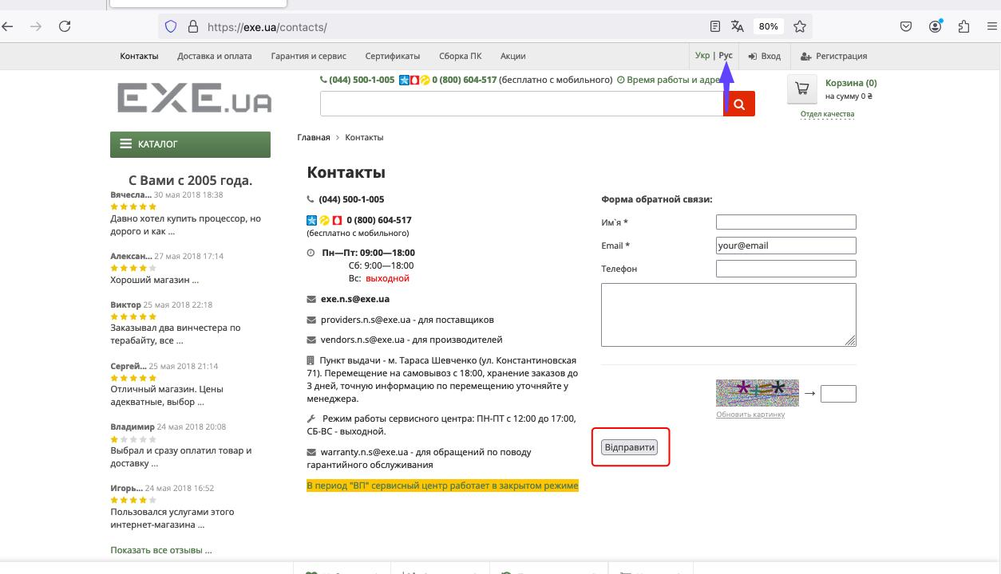
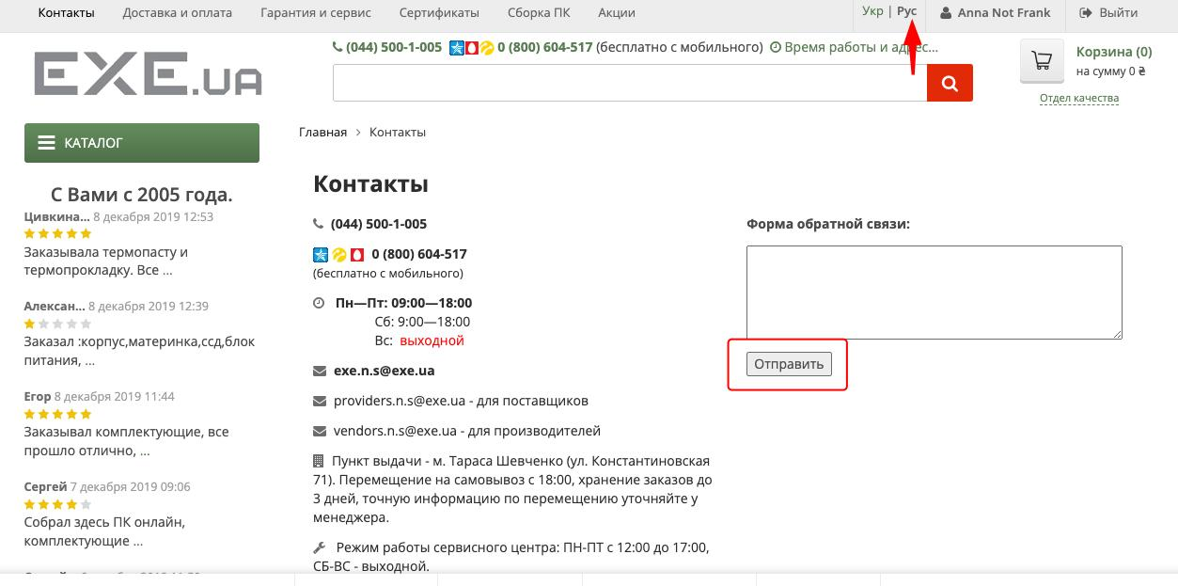
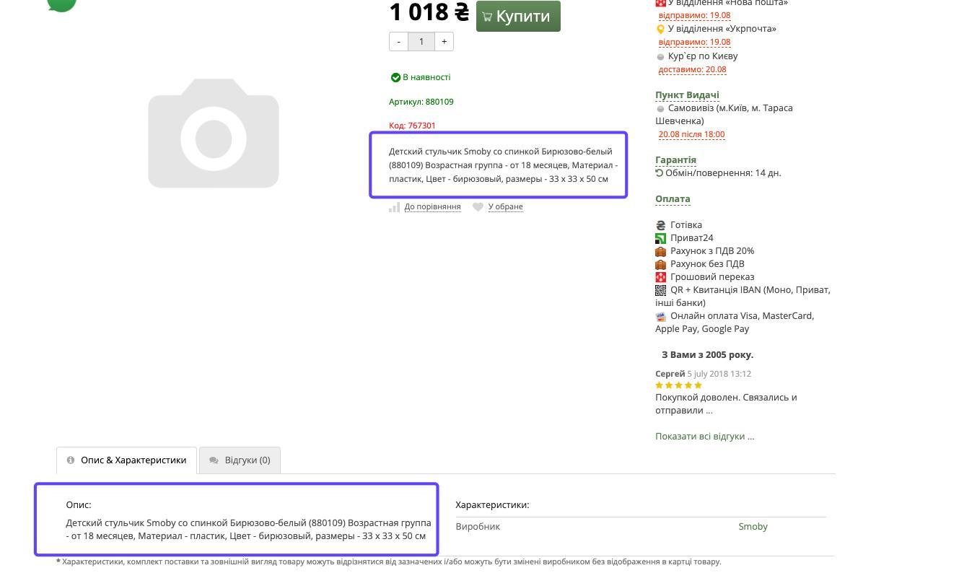
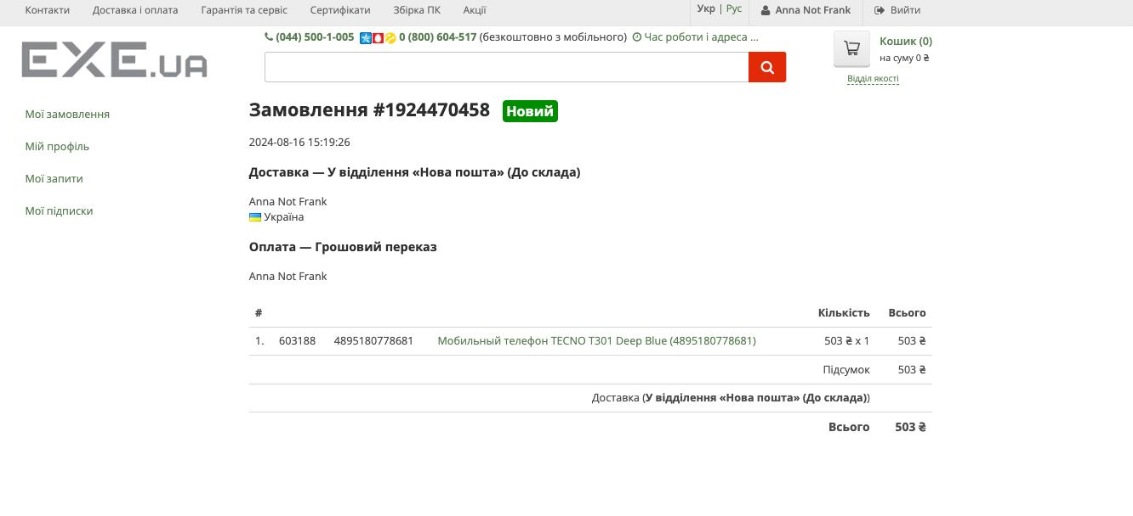
Bug-reports | exe.ua
ID | EXU1 | EXU2 | EXU3 | EXU4 | EXU5
Summary | On the 'Контакти' page and the 'Форма зворотнього зв'язку' form, the button 'Отправить' is not translated into another language | On the 'Контакти' page and the 'Форма зворотнього зв'язку' form, the button 'Отправить' is not translated into another language | Description Product characteristics aren't translated into Ukrainian | The order is issued without specifying the city and department | On the page in Ukrainian, if any field was in filled in invalidly, a tet in Russian appears that this field is mandatory under the button
Pre-condition | Open the website https://exe.ua/ and Log In. | Open the website https://exe.ua/ | Open the website https://exe.ua/ | Open the website https://exe.ua/ | Open the website https://exe.ua/ and Log In.
 |  | The user must not be logged in | In the upper right part of the site, click the 'Укр' button | Click the 'Каталог' button | Click on the button on the right side on your own name
Steps | Press the 'Контакти' button | Press the 'Контакти' button | Click the 'Каталог' button | Click the 'Смартфони, Телефони' categori | Click the 'Мої запити' on the left side
 | In the upper right part of the site, click the 'Укр' button | In the upper right part of the site, click the 'Укр' button | Click on a category 'Нові категорії' | Click the 'Смартфони та мобільні телефони' categori | Click the 'форма реєстрації сервісного звернення'
 |  |  | Click on the button 'Товари для дітей' | Click the 'Смартфони, Телефони' categori | Click the 'форма реєстрації сервісного звернення'
 |  |  | Click on the button 'Дитячі меблі' | Add the product with a price of more than 500 UAH to the cart | Fill in at least one field is invalid
 |  |  | Click on the 'Детский стульчик Smoby со спинкой Бирюзово-белый (880109)' | In the upper right part of the site, click the 'Кошик' button | Click on the button "Надіслати"
 |  |  |  | In the part number 3. Payment '3. Оплата' choose 'Грошовий переказ'
 |  |  |  | Leave all fields automatically filled and don't add anything
 |  |  |  | At the end of the page, click on the button to 'Оформити замовлення'

Expected result | The button should be translated into the Ukrainian language | The button should be translated into the Russian | Опис & Характеристики' should be translated into the Ukrainian | The city and branch fields should be highlighted as empty and not allow placing an order | The entre page, including all additional inscriptions, must be in Ukrainian
Actualy results | Changing localization doesn't work | Changing localization doesn't work | Changing localization doesn't work | Fill Error! Fill in all fields. | Changing localization doesn't work
Post-condition
Environment | macOS Monterey Wersja 12.7.6, all of browther | macOS Monterey Wersja 12.7.6, all of browther | macOS Monterey Wersja 12.7.6, all of browther | macOS Monterey Wersja 12.7.6, all of browther | macOS Monterey Wersja 12.7.6, all of browther
Severity | Low | Low | Low | Medium | Low
Priority | Low | Low | Low | Medium | Low
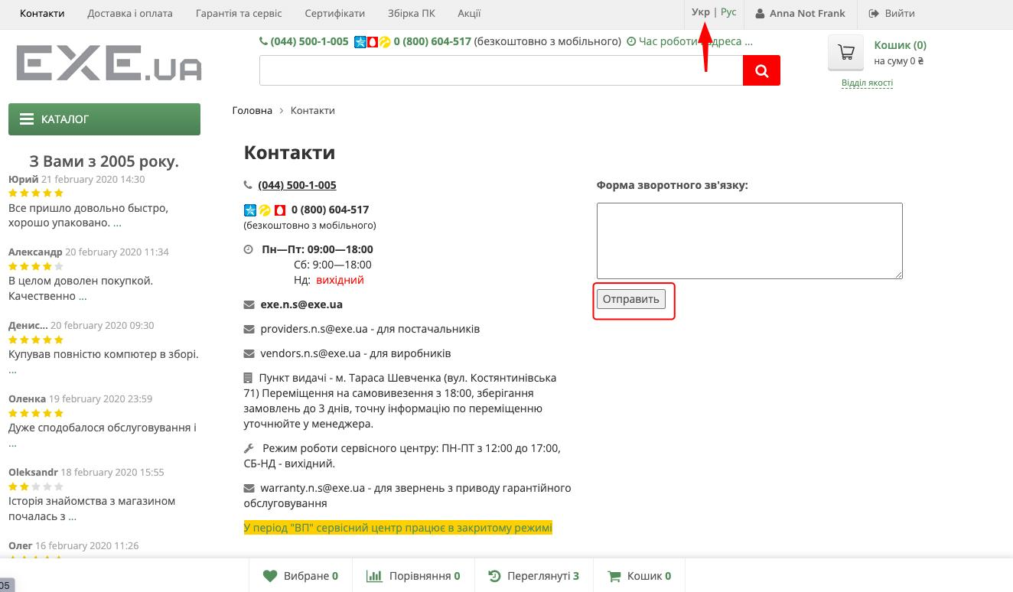
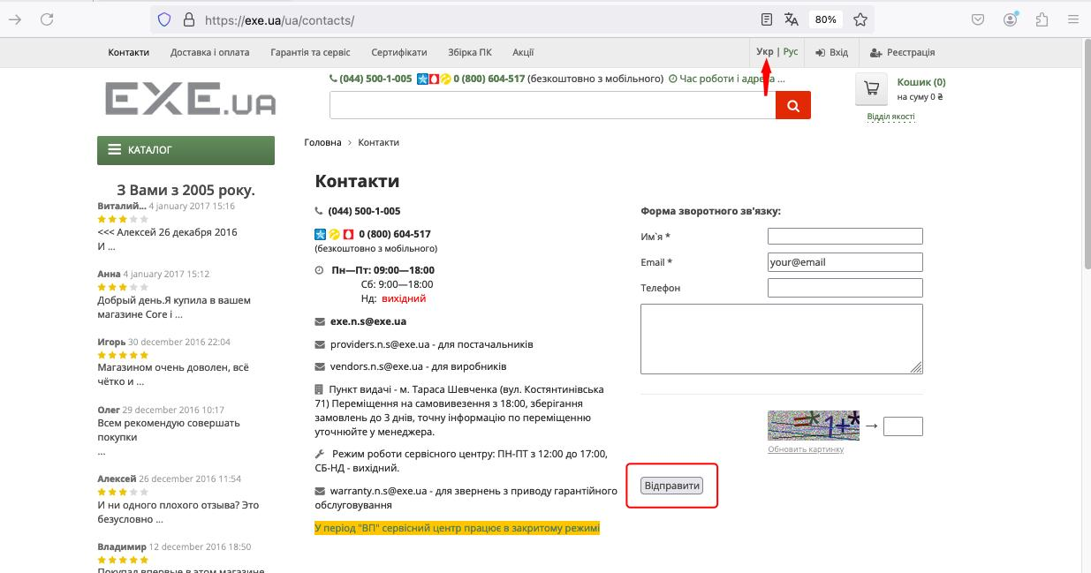
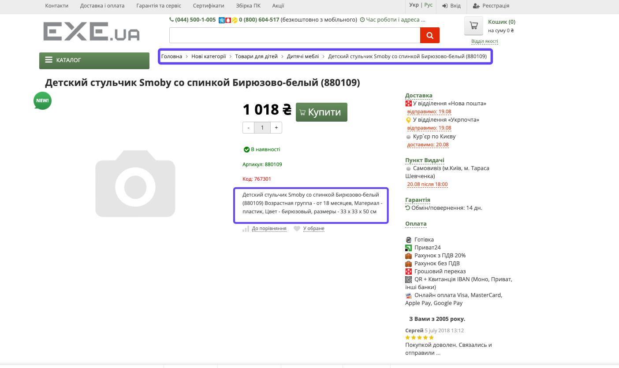
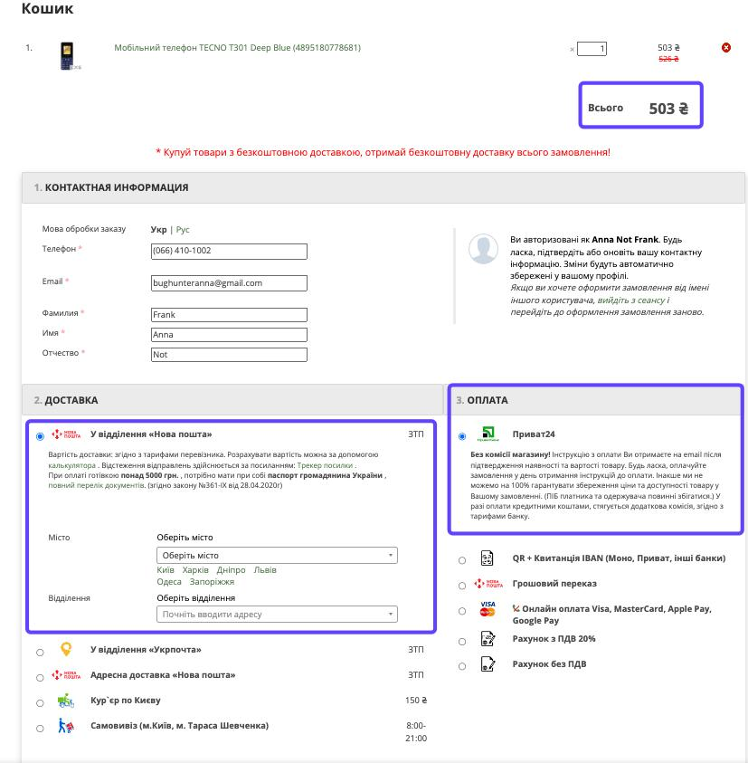
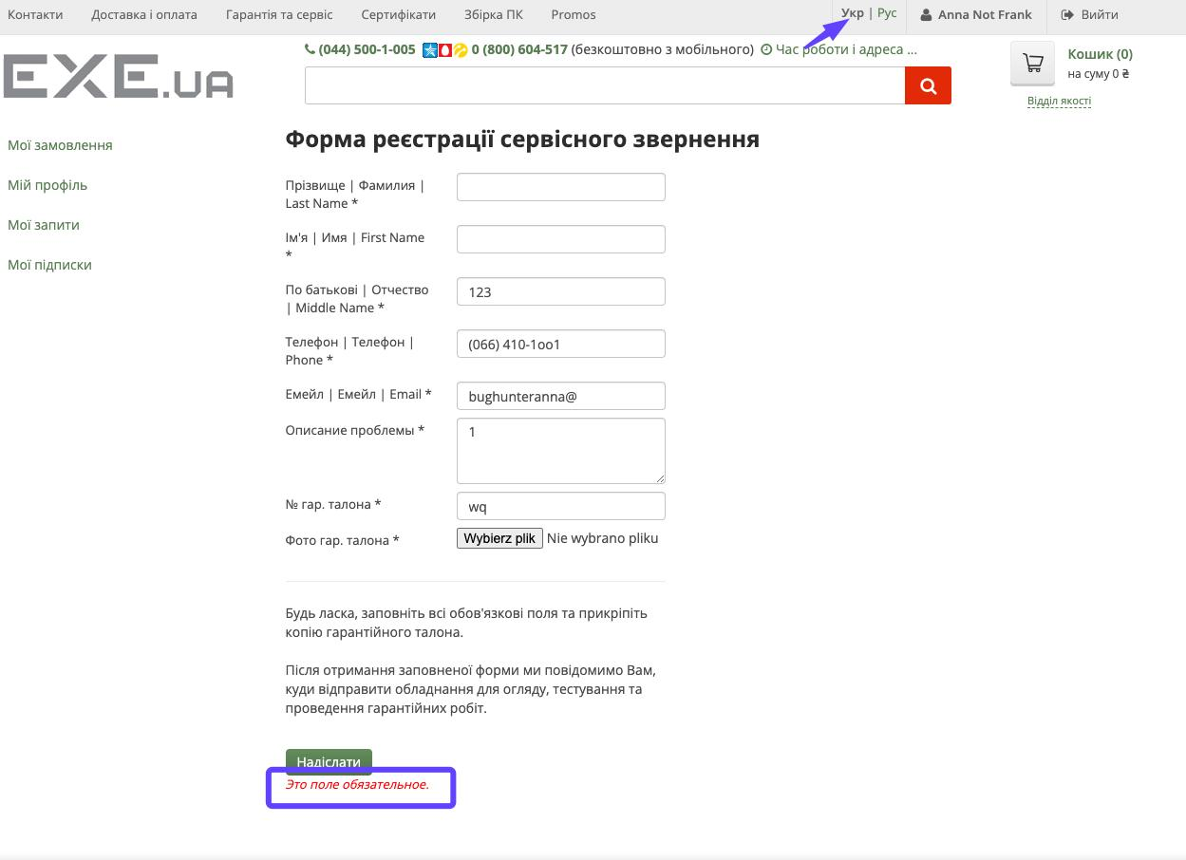
Type of bug | Localization | Localization | Localization | Functional | Localization
Attachment

